Picture Quiz




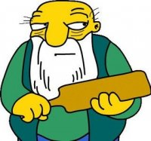
SPREADSHEET LIBRARY: MISCELLANEOUS: PICTURE QUIZ TEMPLATE

 | Picture Quiz

 |  | 50 | TOTAL QUESTIONS |  |  | Expand all groupings. Insert pictures in the frames. Enter acceptable answers in the yellow boxes below the pictures (eg you would accept either full name or first name)
 |  | 0 | TOTAL SCORE |  |  | Collapse all groupings then password protect the sheet. People you send the sheet to will not be able to see the answers or formulae. They will just see if answers are correct or wrong

 |  | 5 |  | Picture 1 | 1 | Picture 2 | 1 | Picture 3 | 1 | Picture 4 | 1 | Picture 5 | 1
 |  | 0

 |  | 5 |  | Picture 6 | 1 | Picture 7 | 1 | Picture 8 | 1 | Picture 9 | 1 | Picture 10 | 1
 |  | 0

 |  | 5 |  | Picture 11 | 1 | Picture 12 | 1 | Picture 13 | 1 | Picture 14 | 1 | Picture 15 | 1
 |  | 0

 |  | 5 |  | Picture 16 | 1 | Picture 17 | 1 | Picture 18 | 1 | Picture 19 | 1 | Picture 20 | 1
 |  | 0

 |  | 5 |  | Picture 21 | 1 | Picture 22 | 1 | Picture 23 | 1 | Picture 24 | 1 | Picture 25 | 1
 |  | 0

 |  | 5 |  | Picture 26 | 1 | Picture 27 | 1 | Picture 28 | 1 | Picture 29 | 1 | Picture 30 | 1
 |  | 0

 |  | 5 |  | Picture 31 | 1 | Picture 32 | 1 | Picture 33 | 1 | Picture 34 | 1 | Picture 35 | 1
 |  | 0

 |  | 5 |  | Picture 36 | 1 | Picture 37 | 1 | Picture 38 | 1 | Picture 39 | 1 | Picture 40 | 1
 |  | 0

 |  | 5 |  | Picture 41 | 1 | Picture 42 | 1 | Picture 43 | 1 | Picture 44 | 1 | Picture 45 | 1
 |  | 0

 |  | 5 |  | Picture 46 | 1 | Picture 47 | 1 | Picture 48 | 1 | Picture 49 | 1 | Picture 50 | 1
 |  | 0

 |  |  |  | Picture 1 |  | Picture 2 |  | Picture 3 |  | Picture 4 |  | Picture 5


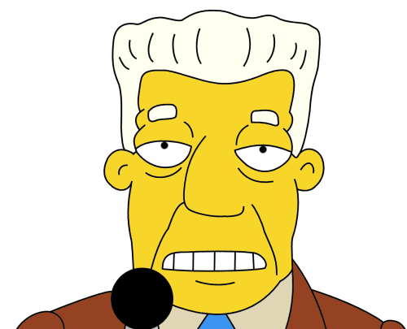



 |  |  |  | Picture 6 |  | Picture 7 |  | Picture 8 |  | Picture 9 |  | Picture 10

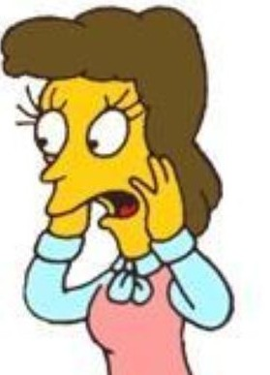


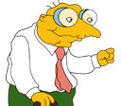

 |  |  |  | Picture 11 |  | Picture 12 |  | Picture 13 |  | Picture 14 |  | Picture 15

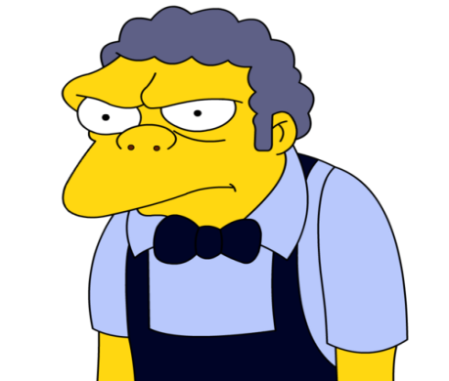
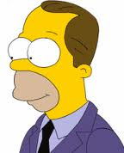



 |  |  |  | Picture 16 |  | Picture 17 |  | Picture 18 |  | Picture 19 |  | Picture 20
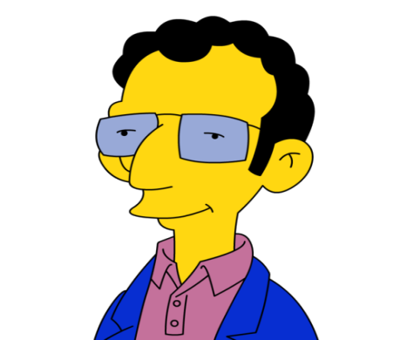
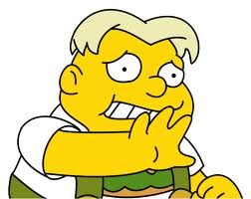
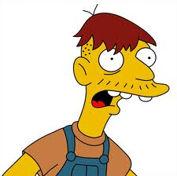



 |  |  |  | Picture 21 |  | Picture 22 |  | Picture 23 |  | Picture 24 |  | Picture 25
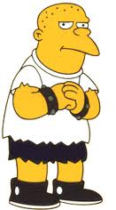

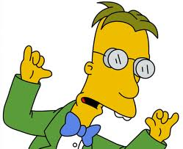
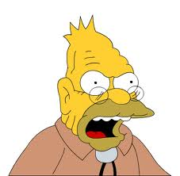
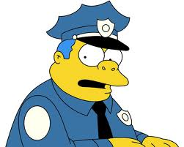

 |  |  |  | Picture 26 |  | Picture 27 |  | Picture 28 |  | Picture 29 |  | Picture 30

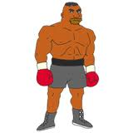


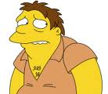

 |  |  |  | Picture 31 |  | Picture 32 |  | Picture 33 |  | Picture 34 |  | Picture 35
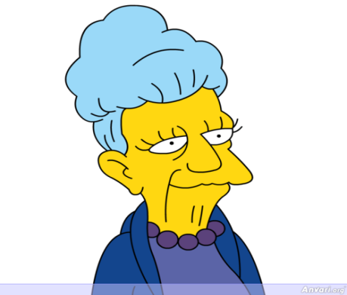
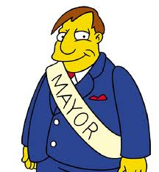

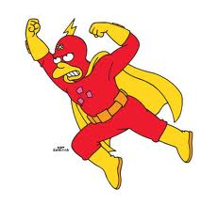


 |  |  |  | Picture 36 |  | Picture 37 |  | Picture 38 |  | Picture 39 |  | Picture 40

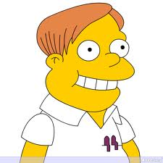
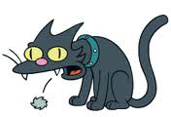
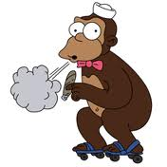
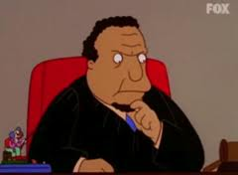

 |  |  |  | Picture 41 |  | Picture 42 |  | Picture 43 |  | Picture 44 |  | Picture 45






 |  |  |  | Picture 46 |  | Picture 47 |  | Picture 48 |  | Picture 49 |  | Picture 50

